iTHRIVE Background
i-THRIVE Implementation Plan

The steps outlined in this implementation plan template mirror the phases of the i-THRIVE Approach to Implementation which is an evidence based approach to implementation to enable better delivery of system change.

An overview of the i-THRIVE Approach to Implementation is set out below:
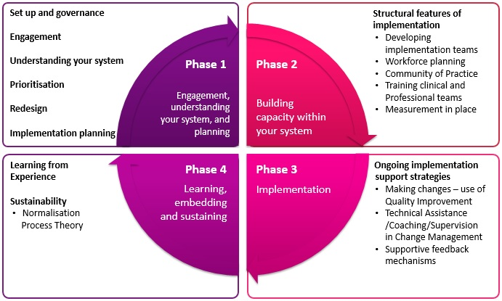

For further information about i-THRIVE and support with implementation please visit www.implementingTHRIVE.org.

